Maximum Power dissiption of the
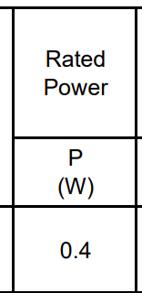
EXTRACTED FROM DATASHEET EX TVR10431KSY

Varistor Voltage @ the short ci
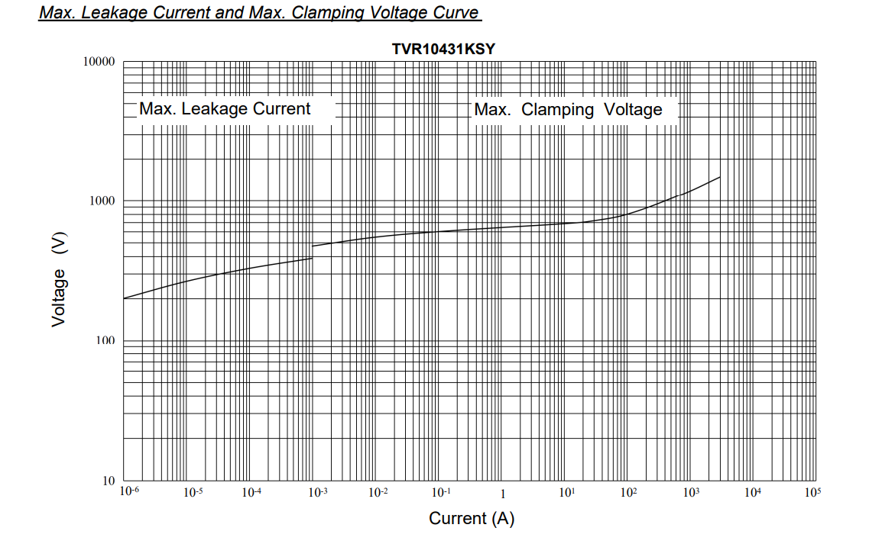
EXTRACTED FROM DATASHEET EX TVR10431KSY

